Step1
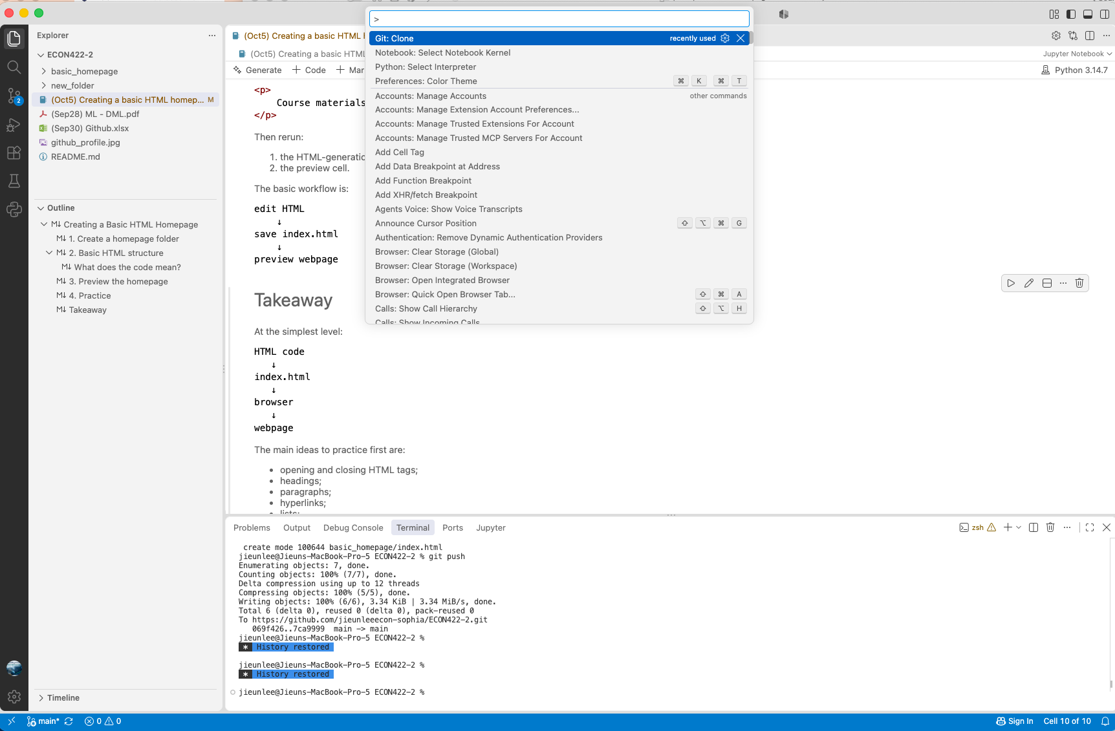
Step1. Git clone your repository (shortcut key: cmd/ctrl + shift + p)
Generate a html file for your homepage.
Open a terminal: commit & push to github.
Go to the 'Source control' on the third tab. -> Click '+' on Changes.
Type on terminal to | commit | git commit -m "YOUR MESSAGE"
 | push | git push

Step2
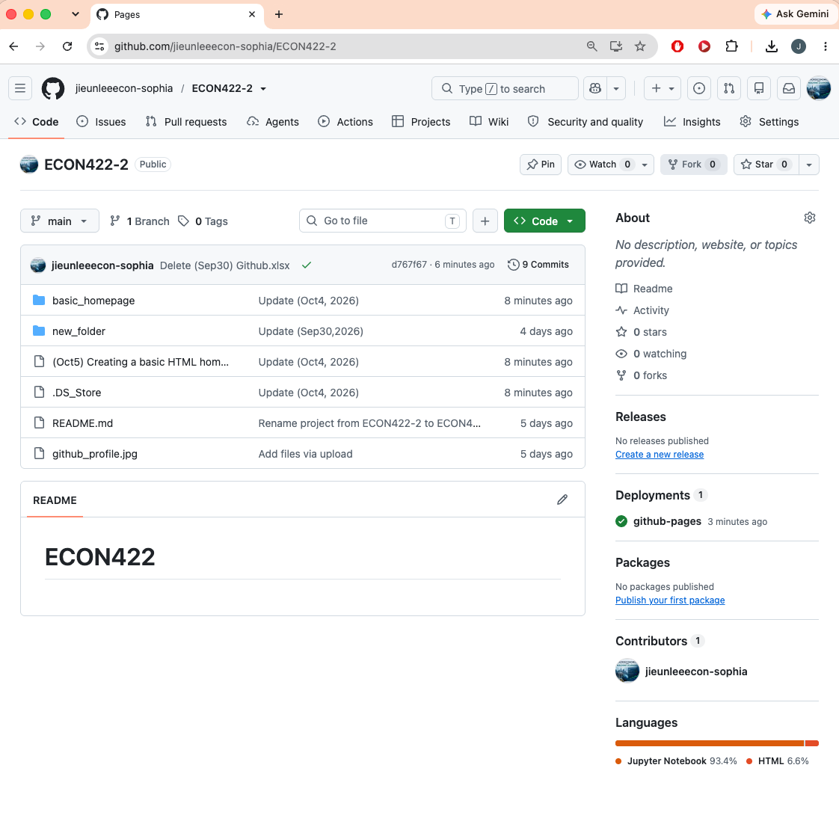
Step2. Open your github repository and click 'Settings'.

Step3
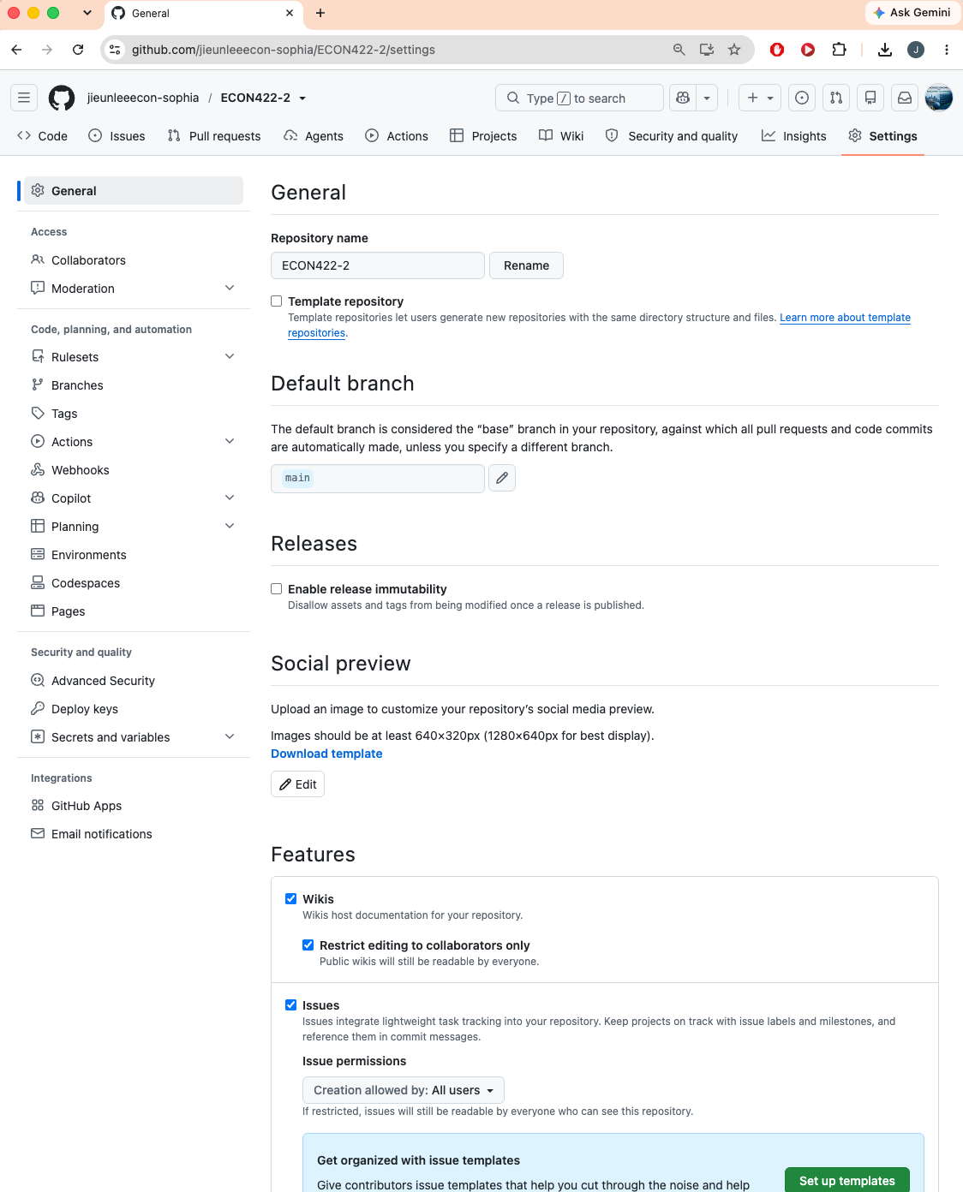
Step3. Click 'Pages'

Step4
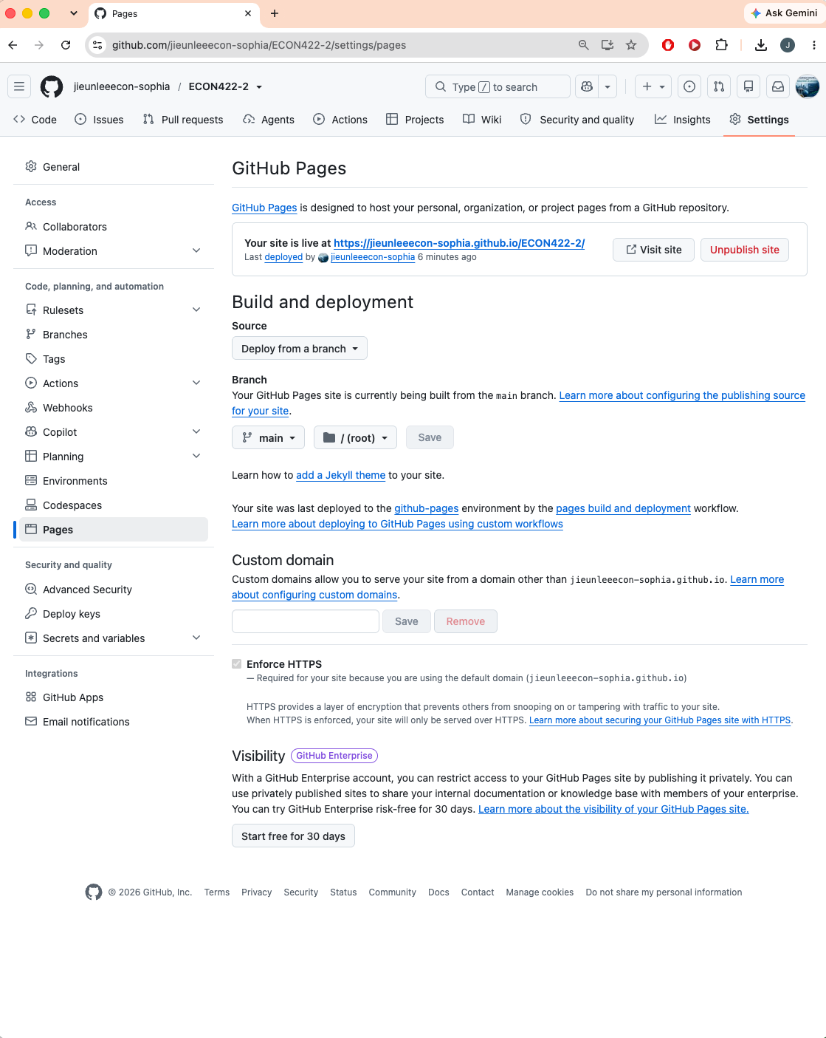
Step4. Under 'Build and deployment', specify
Source | Deploy from a branch
Branch | main
Folder | /(root)
Click 'Save'. | …It takes 1-2 minutes to be active….
And your homepage is now, with the address given as in "Your site is live at YOUR-GITHUB-REPOSITORY", follwed by "/FOLDER-THAT-CONTAINS-THE-HTML".
For example with Jieun's ECON422 repository, https://jieunleeecon-sophia.github.io/ECON422-2/basic_homepage/
 |  | github-repository-based-address | folder that contains the html file

Step5
Step5. The html file prints out the basic homepage!
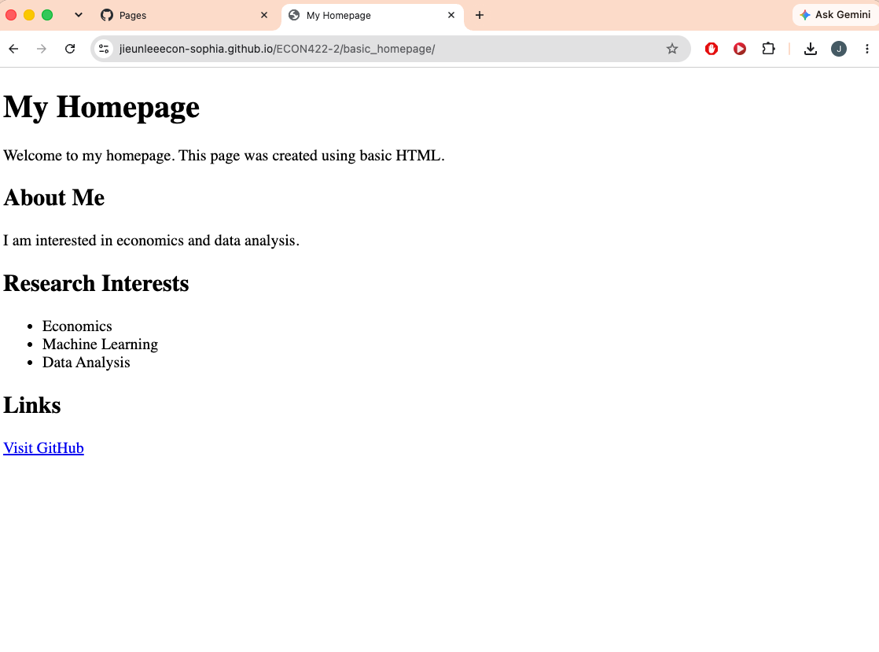

To create a professional homepage, you may use
CV HTML generator.ipynb | to update your cv
Professional HTML homepage.ipynb | to have a professional homepage (you may set the design).

